DIESEL
 |  |  |  |  |  |  |  |  |  |  |  |  |  |  |  |  | EUR | USD | EUR | USD |  |  |  | TOTAL OFFER
 |  |  |  |  |  |  |  |  |  |  |  |  |  |  |  |  |  |  |  |  |  | 24,500 | 25 | XXS | XS | S | M | L | XL | XXL | 3XL
SEASON | VENDORSTYLE | MODART | COLL_CODE | COLL_DESCR | CTG | COMPOSITION | CUSTOMS CTG | GENDER | DESCR MOD | MOD | ART | COL | DESCR COL | QTY X BOX | SHIPMENT TERM | MADE-IN | RRP (EUR) | RRP USA (USD) | WHS (EUR) | WHS EUR>USD | PICTURE | TOT QTY AVAILABLE | SZ | S1 | S2 | S3 | S4 | S5 | S6 | S7 | S8
FW25 | A21763RPATI81E | A21763RPATI | 0001 | RTW DSL MEN | T-shirts | 100%CO | 6109100010 | M | T-JUST-K45 | A21763 | RPATI | 81E | TOTAL ECLIPSE | 50 | FOB | BD | 60.00 € | 80.00 $ | 24.00 € | $26.64 |  A02558_RPATI_81E-01 | 3,500 | 25 |  |  |  | 910 | 1680 | 910
FW25 | A21763RPATI9XX | A21763RPATI | 0001 | RTW DSL MEN | T-shirts | 100%CO | 6109100010 | M | T-JUST-K45 | A21763 | RPATI | 9XX | BLACK BLACK BLACK | 50 | FOB | BD | 60.00 € | 80.00 $ | 24.00 € | $26.64 | 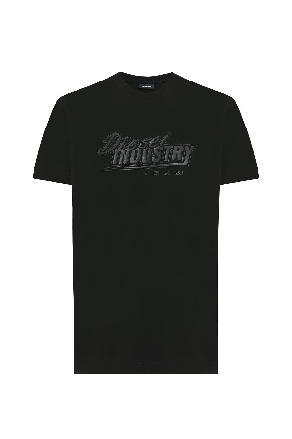 A02558_RPATI_9XX-01 | 3,500 | 25 |  |  |  | 910 | 1680 | 910
FW25 | A21761RPATI100 | A21761RPATI | 0001 | RTW DSL MEN | T-shirts | 100%CO | 6109100010 | M | T-JUST TONE ON TONE | A21761 | RPATI | 100 | BRIGHT WHITE | 50 | FOB | BD | 60.00 € | 80.00 $ | 24.00 € | $26.64 |  A09753_RPATI_100-01 | 3,000 | 25 |  |  |  | 780 | 1440 | 780
FW25 | A21761RPATI900 | A21761RPATI | 0001 | RTW DSL MEN | T-shirts | 100%CO | 6109100010 | M | T-JUST TONE ON TONE | A21761 | RPATI | 900 | CAVIAR | 50 | FOB | BD | 60.00 € | 80.00 $ | 24.00 € | $26.64 |  A09753_RPATI_900-01 | 4,000 | 25 |  |  |  | 1040 | 1920 | 1040
FW25 | A21761RPATI81E | A21761RPATI | 0001 | RTW DSL MEN | T-shirts | 100%CO | 6109100010 | M | T-JUST TONE ON TONE | A21761 | RPATI | 81E | TOTAL ECLIPSE | 50 | FOB | BD | 60.00 € | 80.00 $ | 24.00 € | $26.64 | 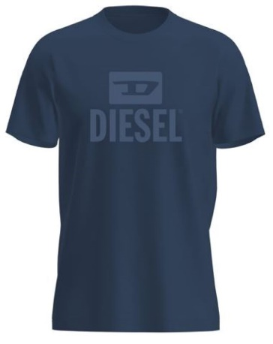 A09753_RPATI_81E-01 | 5,500 | 25 |  |  |  | 1430 | 2640 | 1430
FW25 | A21757RPATI900 | A21757RPATI | 0001 | RTW DSL MEN | T-shirts | 100%CO | 6109100010 | M | T-JUST NEW INDUSTRIES | A21757 | RPATI | 900 | CAVIAR | 50 | FOB | BD | 60.00 € | 80.00 $ | 24.00 € | $26.64 |  A12754_RPATI_900-01 | 2,000 | 25 |  |  |  | 520 | 960 | 520
FW25 | A21757RPATI100 | A21757RPATI | 0001 | RTW DSL MEN | T-shirts | 100%CO | 6109100010 | M | T-JUST NEW INDUSTRIES | A21757 | RPATI | 100 | BRIGHT WHITE | 50 | FOB | BD | 60.00 € | 80.00 $ | 24.00 € | $26.64 |  | 1,000 | 25 |  |  |  | 260 | 480 | 260
FW25 | A21757RPATI8AT | A21757RPATI | 0001 | RTW DSL MEN | T-shirts | 100%CO | 6109100010 | M | T-JUST NEW INDUSTRIES | A21757 | RPATI | 8AT | . | 50 | FOB | BD | 60.00 € | 80.00 $ | 24.00 € | $26.64 |  | 2,000 | 25 |  |  |  | 520 | 960 | 520

